ART
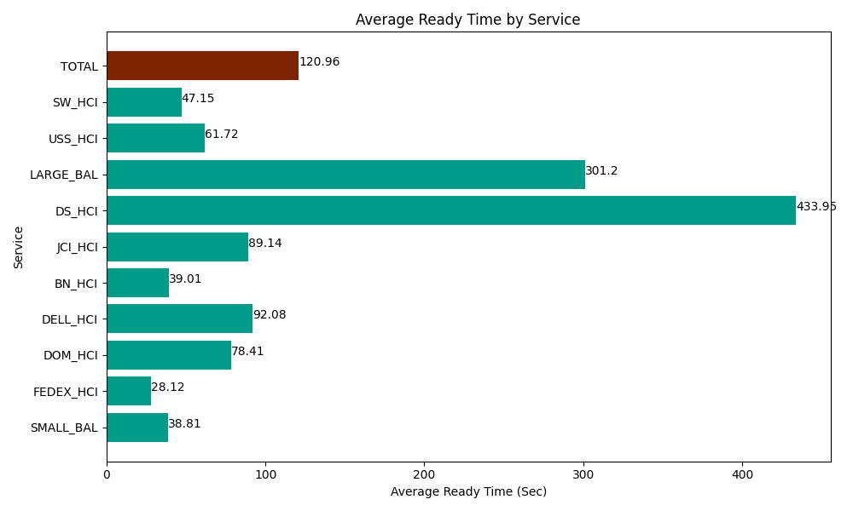
Date | Service | Successful Op Transfer | In Call (Sec) | Ready (Sec) | Wrapup (Sec) | Not Ready (Sec) | Average Ready Time (Sec)
05-22-2024 | SMALL_BAL | 58 | 4096.7999268 | 2251.2000275 | 7456.7999268 | 1337.9999542 | 38.81
05-22-2024 | FEDEX_HCI | 8 | 1015.2000046 | 225 | 154.79999542 | 622.80000687 | 28.12
05-22-2024 | DOM_HCI | 19 | 823.79997253 | 1489.7999954 | 1195.2000046 | 24.000000358 | 78.41
05-22-2024 | DELL_HCI | 73 | 4219.1999817 | 6721.7999268 | 23592.000732 | 9202.800293 | 92.08
05-22-2024 | BN_HCI | 990 | 55903.198242 | 38623.198242 | 99199.196777 | 49207.199707 | 39.01
05-22-2024 | JCI_HCI | 155 | 15256.200256 | 13816.200256 | 14539.80011 | 1080 | 89.14
05-22-2024 | DS_HCI | 20 | 3211.2000275 | 8678.9996338 | 1837.2000504 | 10906.200256 | 433.95
05-22-2024 | LARGE_BAL | 1 | 61.799998283 | 301.19999886 | 43.200001717 | 43.800001144 | 301.2
05-22-2024 | USS_HCI | 221 | 42202.199707 | 13639.200439 | 31873.798828 | 21643.200073 | 61.72
05-22-2024 | SW_HCI | 40 | 1777.2000504 | 1885.8000183 | 2225.9999084 | 139.19999599 | 47.15
 | TOTAL | 1585 | 128566.79817 | 87632.398539 | 182117.99634 | 94207.200288 | 120.96

